figure 107
page 245
Figure 107 - Energy Consumption in the Transport Sector by Fuel
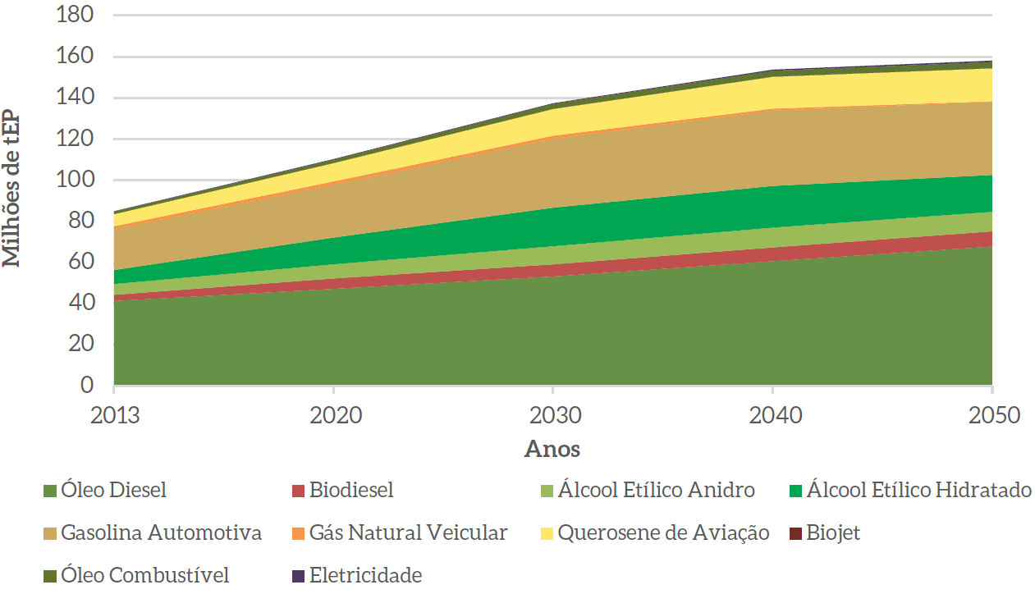

translation
Diesel Oil | Biodiesel | Biodiesel Ethyl Alcohol | Ethyl Alcohol Hydrate
Automotive Gasoline | Automotive Gasoline Vehicle Natural | Gas Aviation Kerosene | Biojet
oil fuel | Electricity

